Sheet1
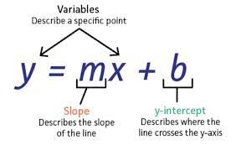
x | 1 | 2 | 3 | 4 | 5 | 6 | 7 | 8
y | 2 | 5 | 1 | 7 | 9 | 3 | 6 | 10

sum x | 36
sum y | 43
x^2 | 1 | 4 | 9 | 16 | 25 | 36 | 49 | 64
xy | 2 | 10 | 3 | 28 | 45 | 18 | 42 | 80
sum (xy) | 228
sum x * sum y | 1548
sum (x^2) | 204
N * Sum(xy) | 1824
N * Sum(x^2) | 1632
(Sum X) ^ 2 | 1296

N | 8
M | 0.82142857143
B | 1.6785714286

